Int. Matrix Simplified Example
System/Element |  |  |  | To
 |  |  |  | Internal Elements |  |  |  |  |  |  |  |  |  |  |  |  |  |  |  | External Systems
 |  |  |  | A1 |  | A2 |  | A3 |  | A4 |  | A5 |  | A6 |  | A7 |  | A8 |  | B1 |  | B2 | B3 | B4 | B5 | B6 | B7 | B8 | B9
 |  |  |  | Base - Cathode |  | Postive Terminal |  | Filament |  | Negative Terminal |  | Base - Anode |  | Glass Bulb |  | Argon |  |  |  | Customer |  | Switch/Dimmer | Socket - Cathode | Socket - Anode | 12 V Battery | Manufacturing | Shipping | Service | Environment | Owner | e-mail | Phone | Location
From | Internal Elements | A1 | Base - Cathode |  | é | P | E |  |  |  |  | P | E
 |  |  |  | è | ì
 |  | A2 | Postive Terminal |  |  |  | é | P | E
 |  |  |  |  |  | è | ì
 |  | A3 | Filament |  |  |  |  |  | é | P | E |  |  |  |  | P | E |  |  |  | E
 |  |  |  |  |  |  |  | è | ì |  |  |  |  |  |  |  | M
 |  | A4 | Negative Terminal |  |  |  |  |  |  |  | é
 |  |  |  |  |  |  |  |  |  | è | ì
 |  | A5 | Base - Anode | P | E |  |  |  |  |  |  |  | é
 |  |  |  |  |  |  |  |  |  |  |  | è | ì
 |  | A6 | Glass Bulb |  |  |  |  |  |  |  |  |  |  |  | é |  | E |  |  |  | E
 |  |  |  |  |  |  |  |  |  |  |  |  |  | è | ì
 |  | A7 | Argon |  |  |  |  |  |  |  |  |  |  |  |  |  | é
 |  |  |  |  |  |  |  |  |  |  |  |  |  |  |  | è | ì
Partial Example Only
 |  | A8 |  |  |  |  |  |  |  |  |  |  |  |  |  |  |  |  | é
 |  |  |  |  |  |  |  |  |  |  |  |  |  |  |  |  |  | è | ì
 | External Systems | B1 | Customer |  |  |  |  |  | E

 |  | B2 | Switch/Dimmer

 |  | B3 | Socket - Cathode | P | E
 |  |  |  |  | M
 |  | B4 | Socket - Anode

 |  | B5 | 12 V Battery

 |  | B6 | Manufacturing

 |  | B7 | Shipping

 |  | B8 | Service

 |  | B9 | Environment

P | E |  | P: Physically touching | E: Energy transfer
I | M |  | I: Information Transfer | M: Material Transfer

Int. Matrix Traditonal Example
System/Element |  |  |  | To
 |  |  |  | Internal Elements |  |  |  |  |  |  |  |  |  |  |  |  |  |  |  | External Systems
 |  |  |  | A1 |  | A2 |  | A3 |  | A4 |  | A5 |  | A6 |  | A7 |  | A8 |  | B1 |  | B2 | B3 | B4 | B5 | B6 | B7 | B8 | B9
 |  |  |  | Base - Cathode |  | Postive Terminal |  | Filament |  | Negative Terminal |  | Base - Anode |  | Glass Bulb |  | Argon |  |  |  | Customer |  | Switch/Dimmer | Socket - Cathode | Socket - Anode | 12 V Battery | Manufacturing | Shipping | Service | Environment | Owner | e-mail | Phone | Location
From | Internal Elements | A1 | Base - Cathode |  | é | +2 | +2 |  |  |  |  | -2 | -2
 |  |  |  | è | ì
 |  | A2 | Postive Terminal |  |  |  | é | +2 | +2
 |  |  |  |  |  | è | ì
 |  | A3 | Filament |  |  |  |  |  | é | +2 | +2 |  |  |  |  | +2 | +2 |  |  |  | +2
 |  |  |  |  |  |  |  | è | ì |  |  |  |  |  |  |  | -1
 |  | A4 | Negative Terminal |  |  |  |  |  |  |  | é | +2 | +2
 |  |  |  |  |  |  |  |  |  | è | ì
 |  | A5 | Base - Anode | -2 | -2 |  |  |  |  |  |  |  | é | +2
 |  |  |  |  |  |  |  |  |  |  |  | è | ì
 |  | A6 | Glass Bulb |  |  |  |  |  |  |  |  |  |  |  | é | +2 |  |  |  |  | +2
 |  |  |  |  |  |  |  |  |  |  |  |  |  | è | ì
 |  | A7 | Argon |  |  |  |  |  |  |  |  |  |  |  |  |  | é
 |  |  |  |  |  |  |  |  |  |  |  |  |  |  |  | è | ì
Partial Example Only
 |  | A8 |  |  |  |  |  |  |  |  |  |  |  |  |  |  |  |  | é
 |  |  |  |  |  |  |  |  |  |  |  |  |  |  |  |  |  | è | ì
 | External Systems | B1 | Customer |  |  |  |  |  | -1

 |  | B2 | Switch/Dimmer

 |  | B3 | Socket - Cathode | +1 | +2
 |  |  |  |  | +1
 |  | B4 | Socket - Anode

 |  | B5 | 12 V Battery

 |  | B6 | Manufacturing

 |  | B7 | Shipping

 |  | B8 | Service

 |  | B9 | Environment

Numbers in each corner represent the interface type with values denoting the requirements
P | E |  | P: Physically touching | E: Energy transfer
I | M |  | I: Information Transfer | M: Material Transfer

+2 | Interaction is necessary for function |  |  |  |  | -2 | must be prevented to function
+1 | Interaction is beneficial not necessary |  |  |  |  | -1 | negative effects
+0 | No interaction

Interface Table Example
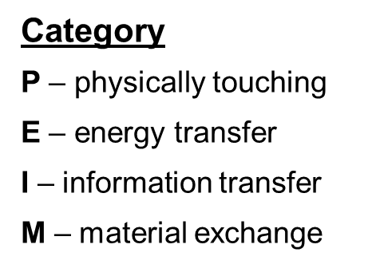
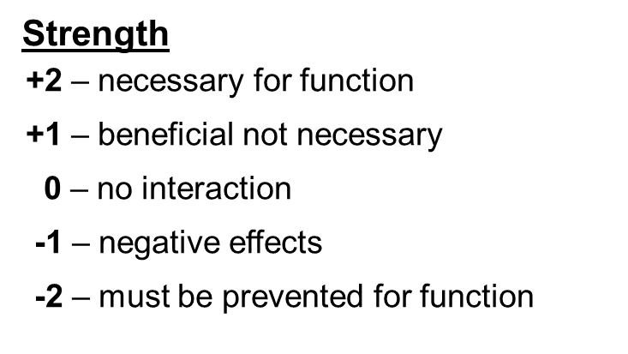
Program: |  |  |  |  |  |  |  | Ford Design Responsible Engineer:
 |  | Model Year: |  |  |  |  |  | Supplier:
System/Subsystem/Component: |  |  |  |  |  |  |  | Supplier Responsible Design Engineer:

Click column headings for help
From | To | Interface Description | Interaction Description | Category | Strength | Functional Target | Range | Unit | Affected Function | Requirement ID | From |  |  | To
 |  |  |  |  |  |  |  |  |  |  | Interface Owner Activity | Interface Owner Name | Interface Owner Concurrence Date | Interface Owner Activity | Interface Owner Name | Interface Owner Concurrence Date
B3 | A1 | Socket Cathode to Base Cathode | Conduct Current | E | 2 | 3A | +/- 0.25 | Amps | Generate Light |  | Socket Engr'g | D. Socket |  | Base/Bulb Engineering | J. Athode
 |  |  | Voltage Drop | E | 2 | < 500 mV | 0 to 500 mV | Volts | Generate Light
 |  |  | Torque Retention | P | 1 | 15 N mm | +/- 2 | N-mm | - Generate Light - Service Lightbulb
 |  |  | Resistance to Plating wear | M | 1 |  |  |  | Generate Light
B1 | A3 | Customer to Filament | Physical vibration through handling, use, installation, etc. | E | -1 | TBD - based on measurements |  |  | Generate Light |  | Bulb Applications | C. Apple |  | Filiment Engr'g | B. Lite
Partial Example Only
A3 | B1 | Filament to Customer | Light Energy | E | 2 | 375 Lumens | +/- 10 | Lumens | Generate Light |  | Filiment Engr'g | B. Lite | 42126 | Bulb Applications | C. Apple | 42126
A6 | B1 | Glass Bulb to Customer | Transmissivity to light | E | 2 |  |  |  |  |  | Base/Bulb Engineering | J. Athode |  | Bulb Applications | C. Apple
B1 | A6 | Customer to Glass Bulb | Physical stress through handling, use, installation, etc. | E |  |  |  |  |  |  | Bulb Applications | C. Apple |  | Base/Bulb Engineering | J. Athode

